WELCOME
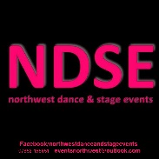
Welcome to our October Darwen Dance and Stage festival.
Please read all the rules and relevant information.

Please take your time to complete the sheets with all names and section bookings
we will forward you an invoice for payment once your booking form has been received. Due to our licencing in
Blackburn it is essential we have this information.
2019 EVENTS

by Bacs payment to : NDSE | SANTANDER SORT CODE: 09-01-29 ACCOUNT NUMBER 10227958
Late entries will be accepted by email, however they will not be included in the programme of events if later than two weeks before the first date of the competition.

